PO
EXPORTER |  | PURCHASE ORDER

 |  | Date :
REPRESENTATIVE OF EXPORTER |  | Reference :

SHIP TO |  | Payment Terms:
 |  | Shipment Mode:
 |  | Shipment Terms:

Item Ref. | Description | Qty | Unit | Price | Amount

AED ONE THOUSAND SIX HUNDRED ONLY |  | Sub-Total |  |  | XXXX
 |  | Others |  |  | XXXX

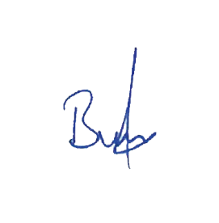

Client's Signature :
 |  | Total Amount |  |  | XXXX

Packing :
Origin :
Loading :
Discharge :

